summary
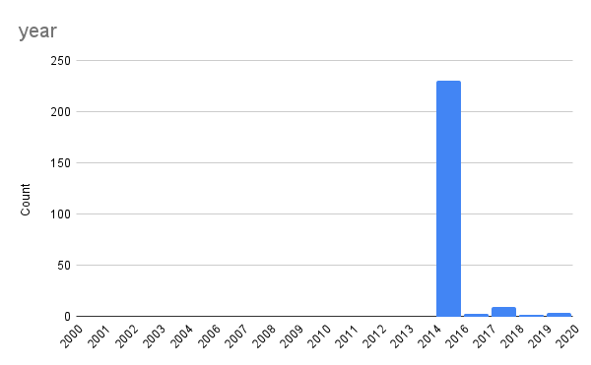
 | y_diff | year
Average | 4.80
Min | 1 | 2015
Max | 5 | 2020

 | ARC_n | ARC_r | ARC_u
Average | 0.28 | 0.48 | 0.15
Minimum | -1.02 | -1.23 | -1.62
Maximum | 2.75 | 2.67 | 2.67
No.of missing countries(null values) | 2 | 64 | 50
No.of countries with full access | 63 | 90 | 105
No.of countries ARC=0 without full access | 16 | 5 | 7
No.of countries ARC<0 without full access | 16 | 17 | 26
No.of countries ARC>0 without full access | 135 | 116 | 93

 | region | COUNTUNIQUE of name | AVERAGE of ARC_n | AVERAGE of ARC_r | AVERAGE of ARC_u
 | East Asia & Pacific | 40 | 0.27843490219 | 0.50779480175 | 0.23295792119
 | Europe & Central Asia | 64 | 0.1116857807 | 0.22440970833 | 0.046995216415
 | Latin America & Caribbean | 48 | 0.14442485349 | 0.68031449696 | 0.071521594483
 | Middle East & North Africa | 10 | 0.3455630234 | 0.736987229 | 0.123978045
 | North America | 5 | 0.0171583956 | 0.14233131 | 0.0020331735
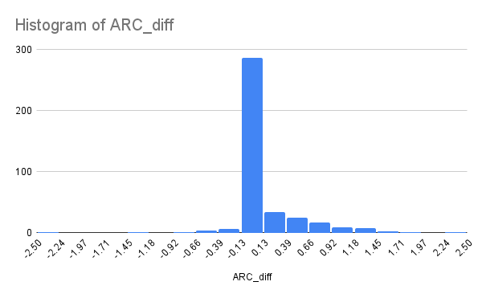
 | South Asia | 11 | 0.48023040018 | 0.55914462673 | 0.26548867309
 | Sub-Saharan Africa | 53 | 0.55828082075 | 0.6042159222 | 0.2703666709
 | Grand Total | 231 | 0.27674414192 | 0.48449369595 | 0.15482340284

